Supplier Matrix
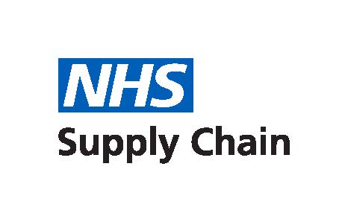

Dental Technologies, Implants and related Consumables and Services
Supplier Lot Matrix
Issued | 17 August 2020

Product information and supplier names are correct at the time of publication.

Supplier | Awarded Lot
 | Dental Consumables | Dental Implantology and Related Products | Handpieces and Related Products | Dental Chairs and Related Products | Dental Laboratory Equipment | Dental Imaging and Related Products | Dental Environment and Practice Building | Bespoke Dental Services | "One-Stop-Shop"
 | 1 | 2 | 3 | 4 | 5 | 6 | 7 | 8 | 9
AG Dental Equipment Ltd |  |  |  | x |  | x |  |  | x
Anglian Dental |  |  |  | x |  | x | x |  | x
BDSI Ltd |  |  | x
Clark Dental Equipment Systems Ltd |  |  |  |  |  | x | x |  | x
DB Dental Equipment Systems |  |  |  | x |  |  | x |  | x
DB Orthodontics Limited | x |  |  |  | x |  |  |  | x
DD Group | x |  | x | x | x | x | x |  | x
DMI | x |  | x | x |  | x |  |  | x
Dentsply Sirona | x | x | x | x |  | x | x |  | x
Eclipse Dental |  |  | x | x |  | x | x |  | x
Fujifilm UK Ltd |  |  |  |  |  | x
Henry Schein Dental | x | x | x | x | x | x | x |  | x
Hospital Services Limited |  |  |  |  |  | x
Hulbert Dental ICT |  |  |  |  |  | x
KaVo Dental Limited |  |  | x | x |  | x | x |  | x
Nobel BioCare UK Ltd |  | x
Oral Care Innovations Ltd | x
Orthocare Limited | x
RIS Products Limited | x
Robinson Healthcare Limited | x
RPA Dental Equipment Ltd |  |  |  | x |  | x
Straumann UK |  | x |  |  |  | x
Swift Dental Laboratory Ltd |  |  |  |  |  |  |  | x
The Orthodontic Company | x
Unisurge International Ltd | x
Wrights Health Group Ltd | x | x | x | x | x | x | x |  | x
Wyvern Medical | x
Xograph Healthcare |  |  |  |  |  | x

